Seating Plan
OpenGov Breakfast Insight 18 Jan 2024 || Equarius Hotel Singapore (Saffron Room, Level 2)
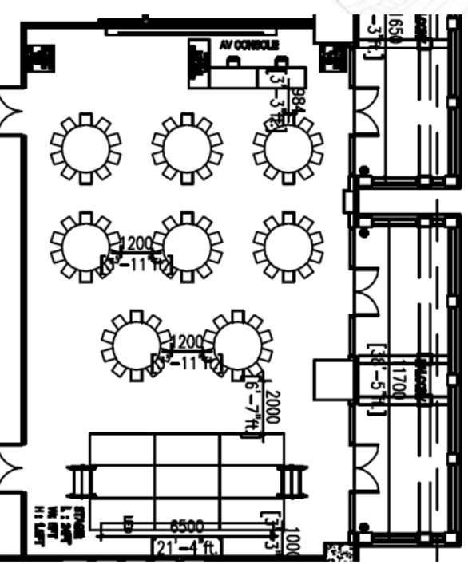
Entrance
A
B
C
D
E
F
Registration
Screen
AV

O

Delegate Table A |  |  |  | Delegate Table D
No | Name | Job Title | Organisation | No | Name | Job Title | Organisation
1 | Paul Loke | Chief Data Officer | Auditor-General’s Office | 1 | Prof Leo Yee Sin | Senior Consultant/ Director | National Centre for Infectious Diseases
2 | Chia Ding Shan | CISO for PSA International Corporate Centre | PSA International | 2 | Seah Jie Ling | Assistant Director (SMEs Go Digital) | Info-communications Media Development Authority (IMDA)
3 | Jeremy Lim | Senior Manager, Cybersecurity | SATS | 3 | Fu Zixiang | Assistant Director, Data Engineering | Sentosa Development Corporation
4 | Loh Teng Joo | Chief Information Officer | SBS Transit | 4 | Calvin Ng | Director, Cybersecurity Programme Centre | Cyber Security Agency of Singapore
5 | Toh Hong Giep | Chief Information Officer | Singapore Land Authority (SLA) | 5 | Chen Kaiwei | Director of Products (AI and Trust) | Smart Nation and Digital Government Office
6 | Dennis Ang | Senior Director, Enterprise Business, ASEAN & ANZ | NVIDIA | 6 | Angie Huang | Senior Assistant Director | National Supercomputing Centre (NSCC) Singapore
7 | Bernard Tan | Director | National Supercomputing Centre (NSCC) Singapore | 7 | Christopher Low | Singapore Country Manager | NVIDIA

Delegate Table B |  |  |  | Delegate Table E
No | Name | Job Title | Organisation | No | Name | Job Title | Organisation
1 | Cheri Lim | Chief Information Security Officer | Temasek International | 1 | Lim Seh Leng | Senior Principal Engineer (Ops Red Team) | Defence Science and Technology Agency (DSTA)
2 | Abdul Samad Gulam Hussain | Senior Deputy Director, Business Incubator and Accelerator | Central Provident Fund Board | 2 | Leonard Lee | Managing Director | Go-Ahead Singapore
3 | Janice Chua | Deputy Director Cybersecurity Strategy and Planning | Government Technology Agency | 3 | Tang Wey Lin | Director, Science & Technology Masterplanning | Prime Minister's Office
4 | Chris Ng | Group Chief Data Governance and Protection Office | National University Health System | 4 | Suhas Awasthi | Senior Assistant Director, Data Analytics | Sentosa Development Corporation
5 | Ng Yih Yng | Director, Digital and Smart Health Office | Ng Teng Fong Centre for Healthcare Innovation | 5 | Lee Siew Kit | Vice President (Technology and IT) | Singapore Cruise Centre
6 | Jamaica Hor | Senior Assistant Director | National Supercomputing Centre (NSCC) Singapore | 6 | Cath Lee | Manager | National Supercomputing Centre (NSCC) Singapore

Delegate Table C |  |  |  | Delegate Table F
No | Name | Job Title | Organisation | No | Name | Job Title | Organisation
1 | Baskaran Narayanan | Deputy Director, Transport Planning Data & Technology Division | Land Transport Authority | 1 | Mohit Sagar | CEO & Editor-In-Chief | OpenGov Asia
2 | Ng Kok Koon | Deputy Director Technology | Ministry of Defence | 2 | Associate Prof Tan Tin Wee | Chief Executive | National Supercomputing Centre (NSCC) Singapore
3 | Cher Jing Ting | Deputy Director (Data Science) | SP Group | 3 | Dr Deb Goswami | Structured & Generative AI Technologist for Developer Programs Asia Pacific South | NVIDIA
4 | Chng Tien San | Director, Cybersecurity (Technology Strategy) | Temasek International | 4 | Alpesh Patel | Vice President, Chief Innovation Officer | Hyundai Motor Group Innovation Center (HMGICS)
5 | Stephanie Soh | Assistant Manager | National Supercomputing Centre (NSCC) Singapore | 5 | Weng Wanyi | Director, National AI Office | Smart Nation and Digital Government Office

 |  |  |  | Organiser Table O
 |  |  |  | No | Name | Job Title | Organisation
 |  |  |  | 1 | Ellen Quek | Vice President, APAC | OpenGov Asia
 |  |  |  | 2
 |  |  |  | 3

